Sheet1
WIND PRESSURE CALCULATION

Location ( city) | Surat |  | Topography (ө) | 3
Basic Wind Speed (Vb) | 44 |  | Height of Hill (Z) | 900
Class of structure | D |  | Crest (X) | 200
Life of Building | 50
Terrain category | 3 |  | Shape of building | Rectangular
Height of Building (h) | 30
Width of Building (a) | 24
Length of Building (b) | 18
Height of Storey | 3
Bay width | 3
Tributary Area | 90

Height of Building | Vb | K1 | K2 | K3 | K4 | Vz | Pz | Ka | kd | kc | Pd
10 | 44 | 1.00 | 0.91 | 1.00 | 1.00 | 40.04 | 0.962 | 0.81 | 0.9 | 1 | 0.704
15 | 44 | 1.00 | 0.97 | 1.00 | 1.00 | 42.68 | 1.093 | 0.81 | 0.9 | 1 | 0.800
20 | 44 | 1.00 | 1.01 | 1.00 | 1.00 | 44.44 | 1.185 | 0.81 | 0.9 | 1 | 0.867
30 | 44 | 1.00 | 1.06 | 1.00 | 1.00 | 46.64 | 1.305 | 0.81 | 0.9 | 1 | 0.955

Sheet2
Table 1: Risk coefficients for different classes of structures in different wind speed zones [Clause 5.3.1] |  |  |  |  |  |  |  | 5 |  |  | Height (z) | Terrain and height multiplier (k2) |  |  |  |  |  | 4
 |  |  |  |  |  |  |  |  |  |  | (m) | 1 | 2 | 3 | 4
 |  |  |  |  |  |  |  |  |  |  | 10 | 1.05 | 1 | 0.91 | 0.8
Class of Structure | Mean Probable design life (years) | Basic wind speed Vb (m/s) |  |  |  |  |  |  |  |  | 15 | 1.09 | 1.05 | 0.97 | 0.8 |  | Height of Building | 30
 |  | 33 | 39 | 44 | 47 | 50 | 55 |  |  |  | 20 | 1.12 | 1.07 | 1.01 | 0.8 |  | Terrain category | 3
A | 5 | 0.82 | 0.76 | 0.73 | 0.71 | 0.7 | 0.67 |  |  |  | 30 | 1.15 | 1.12 | 1.06 | 0.97
B | 25 | 0.94 | 0.92 | 0.91 | 0.9 | 0.9 | 0.89 |  |  |  | 50 | 1.2 | 1.17 | 1.12 | 1.1 |  | K2 | 1.06
C | 100 | 1.05 | 1.06 | 1.07 | 1.07 | 1.08 | 1.08 |  |  |  | 100 | 1.26 | 1.24 | 1.2 | 1.2
D | 50 | 1 | 1 | 1 | 1 | 1 | 1 |  |  |  | 150 | 1.3 | 1.28 | 1.24 | 1.24 |  | X | 30
Select a Class |  |  |  |  |  |  |  |  |  |  | 200 | 1.32 | 1.3 | 1.27 | 1.27 |  | X1 | 20
 | k1 | 1 |  |  |  |  |  |  |  |  | 250 | 1.34 | 1.32 | 1.29 | 1.28 |  | X2 | 30
Life of Building | 50 |  |  |  |  |  |  |  |  |  | 300 | 1.35 | 1.34 | 1.31 | 1.3 |  | Y1 | 1.06
Class of structure | D |  |  |  |  |  |  |  |  |  | 350 | 1.37 | 1.36 | 1.32 | 1.31 |  | Y2 | 1.06
Basic Wind Speed (Vb) | 44 |  |  |  |  |  |  |  |  |  | 400 | 1.38 | 1.37 | 1.34 | 1.32 |  | Y | 1.06
 |  |  |  |  |  |  |  |  |  |  | 450 | 1.39 | 1.38 | 1.35 | 1.33
 |  |  |  |  |  |  |  |  |  |  | 500 | 1.4 | 1.39 | 1.36 | 1.34

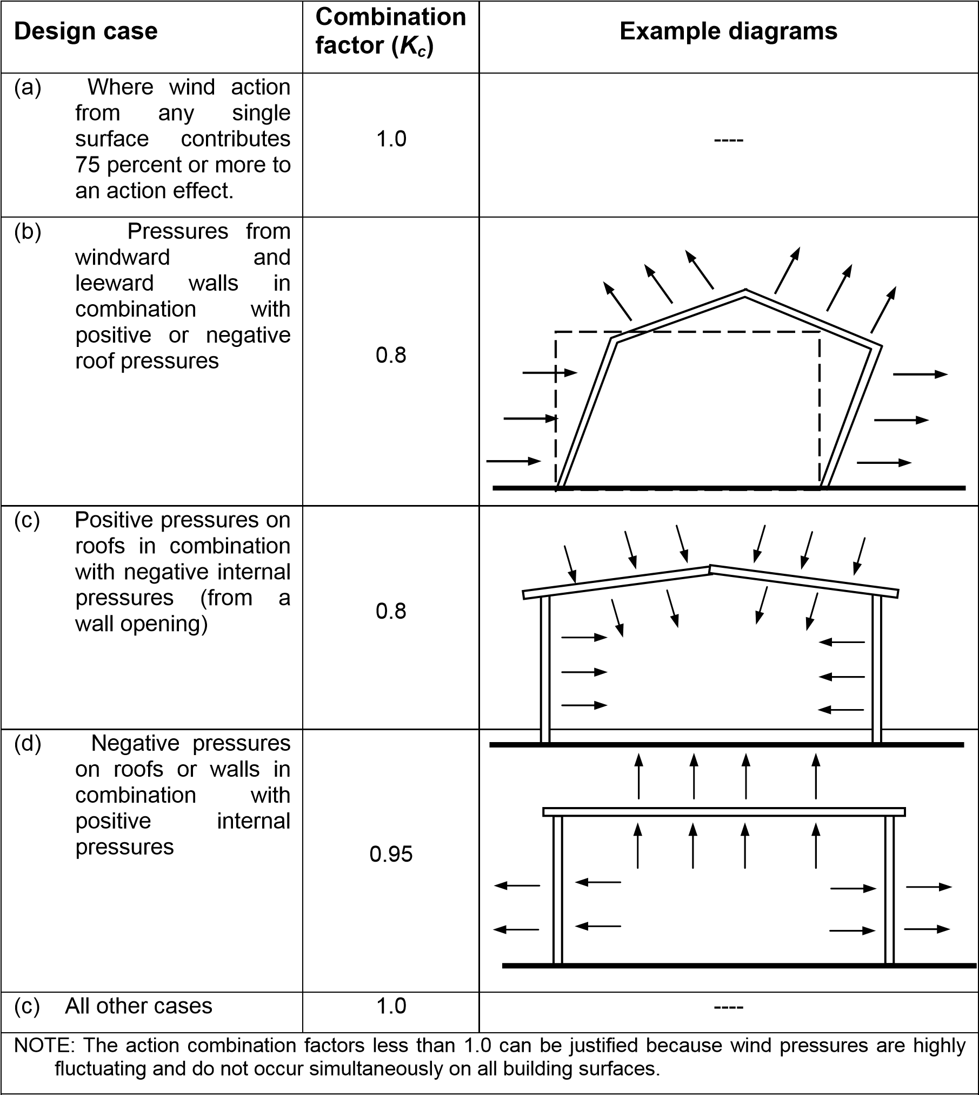


H/L
e
2.0
1.5
1.0
0.5
0
0.4
0.6
08
H/L
e
2.0
1.5
1.0
0.5
0
 |  | Kc |  |  | Topography factor,K3 |  |  |  |  |  |  |  |  |  | Crest | Crest
 |  | 1
 |  | 0.8 |  |  | Slope | Le |  | Slope | C | 0.063
 |  | 0.8 |  |  | 3˚<ө<=17˚ | L |  | 3˚<ө<=17˚ | 1.2(Z/L)
 |  | 0.95 |  |  | ө>17˚ | Z/0.3 |  | ө>17˚ | 0.36
 |  | 1
 |  |  |  |  | ө | 3 |  |  | k3(ө<3) | 1
 |  |  |  |  | Z | 900 |  |  | k3(ө>3) | 1.000
 |  |  |  |  | L | 17173.02 |  |  | K3 | 1.000
 |  |  |  |  | C | 0.000 |  |  | L | 17173.02
 |  |  |  |  | s | 0.7 |  |  |  |  |  |  |  | -1.5 -1.0 -0.5 0 0 0.5 1.0 1.5 2.0 2.5
 |  |  |  |  |  |  |  |  | X | 200 |  |  |  | Upwind X/Le |  | Downwind X/Le
 |  |  |  |  |  |  |  |  | H | 889.52
 |  |  |  |  |  |  |  |  |  |  |  |  |  |  | Factors for cliff and escarpment
 |  |  |  |  |  |  |  |  | X/Le | 0.012
 |  |  |  |  |  |  |  |  | H/Le | 0.052

 |  |  |  |  |  |  |  |  |  |  |  |  |  |  | Crest | Crest

H/L
e
2.0
1.5
1.0
0.5
0.4
0.6
08
2.0
1.5
1.0
0.5
H/L
e

 |  |  |  | Area averaging factor (Ka)

 |  |  |  | Tributary Area (A) (m2) | Area |  | 6
 |  |  |  |  | Averaging |  |  |  |  |  |  |  |  | -1.5 -1.0 -0.5 0 0 0.5 1.0 1.5 2.0 2.5
 |  |  |  |  | Factor (Ka) |  |  |  |  |  |  |  |  | Upwind X/Le |  | Downwind X/Le
 |  |  |  | 10 | 1 |  | X | 90 |  |  |  |  |  |  | Factors for ridge and hill
 |  |  |  | 25 | 0.9 |  | X1 | 25
 |  |  |  | 100 | 0.8 |  | X2 | 100
 |  |  |  |  |  |  | Y1 | 0.9
 |  |  |  |  |  |  | Y2 | 0.8
 |  |  |  |  |  |  | Y | 0.81

for buildings, solid signs, open signs, lattice frameworks, and trussed towers (triangular, square, rectangular) a factor of 0.90 may be used on the design wind pressure. For circular or near – circular forms this factor may be taken as 1.0. For the cyclone affected regions also, the factor Kd shall be taken as 1.0. | 0.9 | 1

Kd | 0.9
 | Rectangular

Rectangular | 0.9
Triangular | 0.9
Square | 0.9
Circular | 1
Cyclonic Region | 1

Sheet4
3.0
h/b =
∞
2.5
2.0
1.5
1.0
0.5
0
0.5
1.0 1.5 2.0 2.5 3.0
20
10
5
1
3
C
f
Wind
a
Plan
b
F
F
h
Elevation
F = C
f
p
d
bh
a/b
 | FORCE COEFFICIENT (Cf)

a | 24
b | 18
h | 30

a/b | 1.33
h/b | 1.67
Cf | 1.2

B Values of
6
C
f
versus
a/b
for
h/b
< 1
1.4
1.2
1.0
0.8
0
0.5 1.0 1.5 2.0 2.5 3.0
h/b = 1/4
h/b = 1/2
1
/2
1
/4
1
/4
/2
1
a/b
6A Values of
C
f
versus
a/b
for
h/b
≥
1

 |  |  | NODE | Area
 |  |  | 1 | 2.25
 |  |  | 2 | 4.5
 |  |  | 3 | 9
 |  |  |  |  |  |  | Nodal Point Load
 |  | Node | Area | Loading Level |  | Pressure | Node1 | Node2 | Node3
 |  | 1,2 |  | 0 |  | 0.704 | 1.58 | 3.17
 |  | 2,3 |  | 3 |  | 0.704 |  | 3.17 | 6.34
 |  | 2,3 |  | 6 |  | 0.704 |  | 3.17 | 6.34
 |  | 2,3 |  | 9 |  | 0.752 |  | 3.38 | 6.77
 |  | 2,3 |  | 12 |  | 0.800 |  | 3.60 | 7.20
 |  | 2,3 |  | 15 |  | 0.834 |  | 3.75 | 7.50
 |  | 2,3 |  | 18 |  | 0.867 |  | 3.90 | 7.81
 |  | 2,3 |  | 21 |  | 0.911 |  | 4.10 | 8.20
 |  | 2,3 |  | 24 |  | 0.955 |  | 4.30 | 8.60
 |  | 2,3 |  | 27 |  | 0.955 |  | 4.30 | 8.60
 |  | 1,2 |  | 30 |  | 0.955 | 2.15 | 4.30
Height | F
10 | 0.553 |  |  | X | 30 |  | X | 14.75 |  | X | 18.75 | X | 22.75
15 | 0.610 |  |  | X1 | 20 |  | X1 | 10 |  | X1 | 15 | X1 | 20
20 | 0.633 |  |  | X2 | 30 |  | X2 | 15 |  | X2 | 20 | X2 | 30
30 | 0.694 |  |  | Y1 | 0.633 |  | Y1 | 0.553 |  | Y1 | 0.610 | Y1 | 0.633
0 | 0.694 |  |  | Y2 | 0.694 |  | Y2 | 0.610 |  | Y2 | 0.633 | Y2 | 0.694
 |  |  |  | Y | 0.694 |  | Y | 0.607 |  | Y | 0.627 | Y | 0.650

 |  |  |  | X | 26.75 |  | X | 10.75 |  | X | 10.75 | X | 10.75
 |  |  |  | X1 | 20 |  | X1 | 10 |  | X1 | 10 | X1 | 10
 |  |  |  | X2 | 30 |  | X2 | 15 |  | X2 | 15 | X2 | 15
 |  |  |  | Y1 | 0.633 |  | Y1 | 0.553 |  | Y1 | 0.553 | Y1 | 0.553
 |  |  |  | Y2 | 0.694 |  | Y2 | 0.610 |  | Y2 | 0.610 | Y2 | 0.610
 |  |  |  | Y | 0.674 |  | Y | 0.562 |  | Y | 0.562 | Y | 0.562

